SG black ZIF to PL128c
ZIF spike gadgets channel map



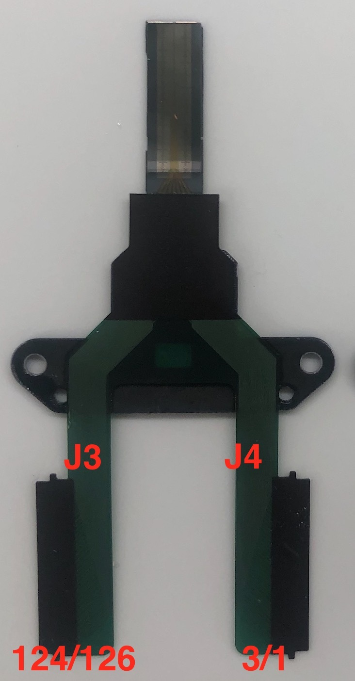

Linear |  |  |  | Grid
shank 1 | shank 2 | shank 3 | shank 4 | shank 1 |  | shank 2 |  | shank 3 |  | shank 4
26 | 34 | 95 | 91 | 26 | 56 | 34 | 25 | 95 | 121 | 91 | 78
28 | 35 | 94 | 90 | 28 | 54 | 35 | 21 | 94 | 116 | 90 | 76
24 | 38 | 122 | 87 | 24 | 52 | 38 | 14 | 122 | 112 | 87 | 74
62 | 0 | 126 | 85 | 62 | 50 | 0 | 18 | 126 | 98 | 85 | 72
60 | 7 | 124 | 83 | 60 | 48 | 7 | 12 | 124 | 100 | 83 | 70
58 | 32 | 114 | 81 | 58 | 47 | 32 | 16 | 114 | 107 | 81 | 68
56 | 25 | 121 | 78 | 45 | 43 | 10 | 4 | 110 | 105 | 66 | 97
54 | 21 | 116 | 76 | 41 | 39 | 9 | 2 | 108 | 119 | 104 | 64
52 | 14 | 112 | 74 | 37 | 36 | 33 | 31 | 92 | 93 | 88 | 86
50 | 18 | 98 | 72 | 40 | 30 | 5 | 1 | 89 | 127 | 84 | 82
48 | 12 | 100 | 70 | 23 | 63 | 3 | 13 | 120 | 125 | 80 | 79
47 | 16 | 107 | 68 | 61 | 59 | 6 | 29 | 118 | 123 | 77 | 75
45 | 10 | 110 | 66 | 57 | 55 | 27 | 17 | 117 | 111 | 73 | 71
43 | 4 | 105 | 97 | 53 | 51 | 20 | 22 | 115 | 96 | 69 | 67
41 | 9 | 108 | 104 | 49 | 46 | 19 | 8 | 102 | 106 | 65 | 103
39 | 2 | 119 | 64 | 44 | 42 | 15 | 11 | 113 | 109 | 101 | 99
37 | 33 | 92 | 88
36 | 31 | 93 | 86
40 | 5 | 89 | 84
30 | 1 | 127 | 82
23 | 3 | 120 | 80
63 | 13 | 125 | 79
61 | 6 | 118 | 77
59 | 29 | 123 | 75
57 | 27 | 117 | 73
55 | 17 | 111 | 71
53 | 20 | 115 | 69
51 | 22 | 96 | 67
49 | 19 | 102 | 65
46 | 8 | 106 | 103
44 | 15 | 113 | 101
42 | 11 | 109 | 99

